Cover Sheet
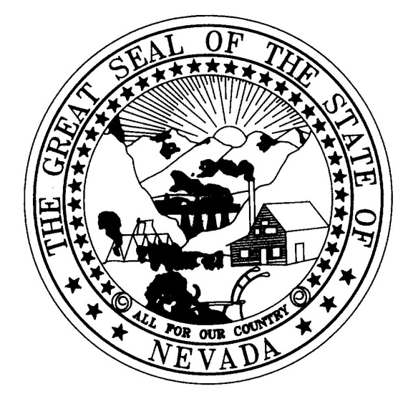

 | TELEPHONE UTILITIES EARNINGS REPORT
 | OF

 | TO THE

 | PUBLIC UTILTIES COMMISSION OF NEVADA

 | FOR THE PERIOD ENDING DECEMBER 31, 2025

 | Date of filing:
 | CPC Number:

 | Docket No. 26-01005

 |  |  | Check one:
 |  | Original Submission
 |  | Corrected Submission*
* If the original filing is being amended or corrected, the entire report must be resubmitted.

